Formulas
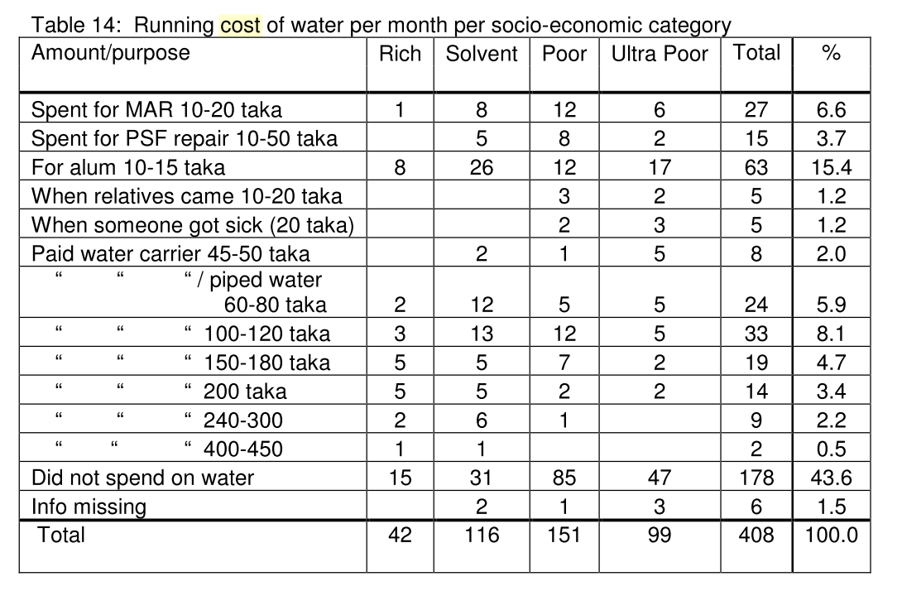
Group | Criteria | Source | Data Used | Formula | Value |  | Interpretation | Best | Worst | Range | Normalized Value
Technical | Variability in Supply | Average of number of months used | BEMS, pilot, HH; BEMS; MAR | Average(# of months used) | RWH | 5.26 | How offten can the source be used during the year | 12 | 0 | -12 | 43.85026738
 |  |  |  |  | Pond | 8.80 |  | 12 | 0 | -12 | 73.319327731
 |  |  |  |  | PSF | 10.42 |  | 12 | 0 | -12 | 86.872146119
 |  |  |  |  | MAR | 5.00 |  | 12 | 0 | -12 | 41.666666667
 |  |  |  |  | TW | 11.37 |  | 12 | 0 | -12 | 94.735449735
 | Variability in Quality | Qualitative Interviews | ---- | ---- | RWH | 5.00 | How the source changes in quality due to season; How the source changes in quality due to location | 5 | 1 | -4 | 100
 |  |  |  |  | Pond | 2.00 |  | 5 | 1 | -4 | 25
 |  |  |  |  | PSF | 4.00 |  | 5 | 1 | -4 | 75
 |  |  |  |  | MAR | 4.00 |  | 5 | 1 | -4 | 75
 |  |  |  |  | TW | 4.00 |  | 5 | 1 | -4 | 75
 | Water Quality | Function of TDS, Salinity, Arsenic, and pathogens | BEMS, pilot, HH; BEMS; MAR | - Sal/Max Sal - TDS/Max TDS - 0.5 (for Arsenic if TW) - 0.5 (for Pathogens if SW) - 0.5 (if perceived as salty)……. (if no salinty or TDS data is available, and the source is used as drinking water, use the average value for TW) | RWH | -0.03 | How clean is the water | 0 | -1 | -1 | 97.326203209
 |  |  |  |  | Pond | -0.60 |  | 0 | -1 | -1 | 40.319710894
 |  |  |  |  | PSF | -0.14 |  | 0 | -1 | -1 | 86.387152576
 |  |  |  |  | MAR | -0.36 |  | 0 | -1 | -1 | 64.043218046
 |  |  |  |  | TW | -0.64 |  | 0 | -1 | -1 | 35.855028284
 | Maintenance Requirements | Qualitative Interviews | ---- | ---- | RWH | 4.00 | How much time and effort is required for regular maintenance | 5 | 1 | -4 | 75
 |  |  |  |  | Pond | 5.00 |  | 5 | 1 | -4 | 100
 |  |  |  |  | PSF | 1.00 |  | 5 | 1 | -4 | 0
 |  |  |  |  | MAR | 1.00 |  | 5 | 1 | -4 | 0
 |  |  |  |  | TW | 4.00 |  | 5 | 1 | -4 | 75
 | Failure Rate | Qualitative Interviews | ---- | ---- | RWH | 5.00 | How often does source failure interrupt usage | 5 | 1 | -4 | 100
 |  |  |  |  | Pond | 4.00 |  | 5 | 1 | -4 | 75
 |  |  |  |  | PSF | 3.00 |  | 5 | 1 | -4 | 50
 |  |  |  |  | MAR | 3.00 |  | 5 | 1 | -4 | 50
 |  |  |  |  | TW | 4.00 |  | 5 | 1 | -4 | 75
Economic | Construction Cost | Matin Paper |  |  | RWH | 42500.00 | How much does it cost to contruct/purchase the source | 3900 | 1000000 | 996100 | 96.12488706
 |  |  |  |  | Pond | 410000.00 |  | 3900 | 1000000 | 996100 | 59.231000904
 |  |  |  |  | PSF | 50000.00 |  | 3900 | 1000000 | 996100 | 95.371950607
 |  |  |  |  | MAR | 600000.00 |  | 3900 | 1000000 | 996100 | 40.156610782
 |  |  |  |  | TW | 205000.00 |  | 3900 | 1000000 | 996100 | 79.811263929
 | Potential for NGO/Governmental Help | Qualitative Interviews | ---- | ---- | RWH | 5.00 | How likely is it that outside organization assist in purchasing the source | 5 | 1 | -4 | 100
 |  |  |  |  | Pond | 2.00 |  | 5 | 1 | -4 | 25
 |  |  |  |  | PSF | 5.00 |  | 5 | 1 | -4 | 100
 |  |  |  |  | MAR | 5.00 |  | 5 | 1 | -4 | 100
 |  |  |  |  | TW | 2.00 |  | 5 | 1 | -4 | 25
 | Maintenance Cost | Matin Paper |  |  | RWH | 0.00 | How much does the regular maintenance of the source cost | 0 | 4000 | 4000 | 100
 |  |  |  |  | Pond | 0.00 |  | 0 | 4000 | 4000 | 100
 |  |  |  |  | PSF | 100.00 |  | 0 | 4000 | 4000 | 97.5
 |  |  |  |  | MAR | 3250.00 |  | 0 | 4000 | 4000 | 18.75
 |  |  |  |  | TW | 0.00 |  | 0 | 4000 | 4000 | 100
 | Transportation Cost | Qualitative Interviews | ---- | ---- | RWH | 0.00 | Cost of transporting the water to the household | 0 | 10 | 10 | 100
 |  |  |  |  | Pond | 10.00 |  | 0 | 10 | 10 | 0
 |  |  |  |  | PSF | 0.00 |  | 0 | 10 | 10 | 100
 |  |  |  |  | MAR | 0.00 |  | 0 | 10 | 10 | 100
 |  |  |  |  | TW | 0.00 |  | 0 | 10 | 10 | 100
Social | Sense of Ownership | Qualitative Interviews | ---- | ---- | RWH | 5.00 | How likely will locals feel ownership and responsibility of the source | 5 | 1 | -4 | 100
 |  |  |  |  | Pond | 4.00 |  | 5 | 1 | -4 | 75
 |  |  |  |  | PSF | 3.00 |  | 5 | 1 | -4 | 50
 |  |  |  |  | MAR | 2.00 |  | 5 | 1 | -4 | 25
 |  |  |  |  | TW | 4.00 |  | 5 | 1 | -4 | 75
 | Discrimination | Qualitative Interviews | ---- | ---- | RWH | 3.00 | How likely will there be discrimination in use of source (economic status, gender, relative location to source, etc.) | 5 | 1 | -4 | 50
 |  |  |  |  | Pond | 5.00 |  | 5 | 1 | -4 | 100
 |  |  |  |  | PSF | 4.00 |  | 5 | 1 | -4 | 75
 |  |  |  |  | MAR | 3.00 |  | 5 | 1 | -4 | 50
 |  |  |  |  | TW | 4.00 |  | 5 | 1 | -4 | 75
 | Misinformation | Qualitative Interviews | ---- | ---- | RWH | 4.00 | How likely the locals are misinformed about the source (ownership, quality, function, etc.) | 5 | 1 | -4 | 75
 |  |  |  |  | Pond | 4.00 |  | 5 | 1 | -4 | 75
 |  |  |  |  | PSF | 3.00 |  | 5 | 1 | -4 | 50
 |  |  |  |  | MAR | 1.00 |  | 5 | 1 | -4 | 0
 |  |  |  |  | TW | 3.00 |  | 5 | 1 | -4 | 50
 | Persons Served | Average of how many people use the source | Data = range of number of people using the source | Sum(Mean(Range of people using the source))/Total number of each source | RWH | 6.00 | How many people can the source serve | 1000 | 0 | -1000 | 0.6
 |  |  |  |  | Pond | 708.00 |  | 1000 | 0 | -1000 | 70.8
 |  |  |  |  | PSF | 712.00 |  | 1000 | 0 | -1000 | 71.2
 |  |  |  |  | MAR | 300.00 |  | 1000 | 0 | -1000 | 30
 |  |  |  |  | TW | 83.00 |  | 1000 | 0 | -1000 | 8.3
 | Job Creation | Qualitative Interviews | ---- | ---- | RWH | 1.00 | How likely is it that the source will create a job/s for local community members | 5 | 1 | -4 | 0
 |  |  |  |  | Pond | 2.00 |  | 5 | 1 | -4 | 25
 |  |  |  |  | PSF | 2.00 |  | 5 | 1 | -4 | 25
 |  |  |  |  | MAR | 2.00 |  | 5 | 1 | -4 | 25
 |  |  |  |  | TW | 2.00 |  | 5 | 1 | -4 | 25
Environmental | Prevalence of Source | Number of each used for drinking water in Khulna District | MAR, BEMS; MAR-salinity; BEMS pilot, HH, Amanda | Number of each source used for drinking water in Khulna district | RWH | 187.00 | How many occurances of this source is currently used in the area | 200 | 0 | -200 | 93.5 | 202 | How many occurances of this source is currently used in the area | 202 | 0 | -202 | 100
 |  |  |  |  | Pond | 110.00 |  | 200 | 0 | -200 | 55 | 197 |  | 202 | 0 | -202 | 97.524752475
 |  |  |  |  | PSF | 70.00 |  | 200 | 0 | -200 | 35 | 84 |  | 202 | 0 | -202 | 41.584158416
 |  |  |  |  | MAR | 7.00 |  | 200 | 0 | -200 | 3.5 | 7 |  | 202 | 0 | -202 | 3.4653465347
 |  |  |  |  | TW | 122.00 |  | 200 | 0 | -200 | 61 | 190 |  | 202 | 0 | -202 | 94.059405941
 | Distance to Source | Travel time to source | BEMS, pilot, HH | Average travel time to source (minutes) | RWH | 1.91 | How far do people travel to this source | 0 | 15 | 15 | 87.266666667
 |  |  |  |  | Pond | 5.02 |  | 0 | 15 | 15 | 66.533333333
 |  |  |  |  | PSF | 4.72 |  | 0 | 15 | 15 | 68.533333333
 |  |  |  |  | MAR | 15.00 |  | 0 | 15 | 15 | 0
 |  |  |  |  | TW | 11.39 |  | 0 | 15 | 15 | 24.066666667
 | Hazard Impact | Qualitative Interviews | ---- | ---- | RWH | 5.00 | How likely is it that the source will be negatively impacted by an environmental hazard (cyclone, flood, drought, etc) | 5 | 1 | -4 | 100
 |  |  |  |  | Pond | 1.00 |  | 5 | 1 | -4 | 0
 |  |  |  |  | PSF | 2.00 |  | 5 | 1 | -4 | 25
 |  |  |  |  | MAR | 3.00 |  | 5 | 1 | -4 | 50
 |  |  |  |  | TW | 5.00 |  | 5 | 1 | -4 | 100
 | Resilience | Qualitative Interviews | ---- | ---- | RWH | 5.00 | How easily can the source recover from a negative hazard impact | 5 | 1 | -4 | 100
 |  |  |  |  | Pond | 2.00 |  | 5 | 1 | -4 | 25
 |  |  |  |  | PSF | 2.00 |  | 5 | 1 | -4 | 25
 |  |  |  |  | MAR | 3.00 |  | 5 | 1 | -4 | 50
 |  |  |  |  | TW | 5.00 |  | 5 | 1 | -4 | 100

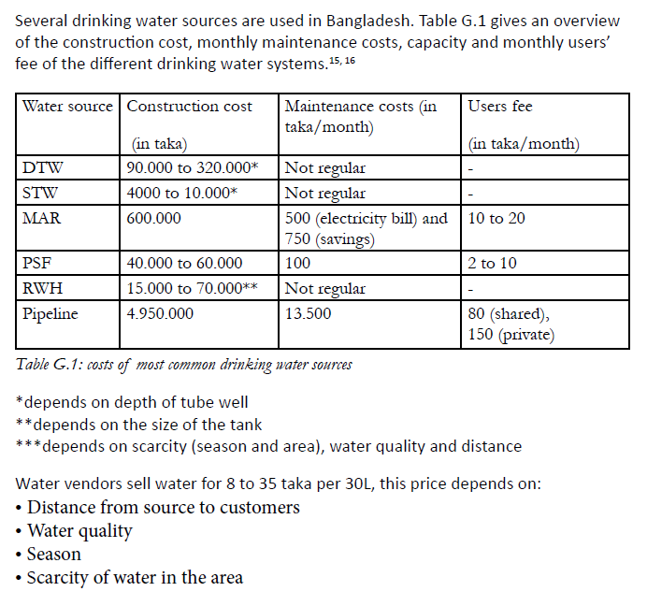
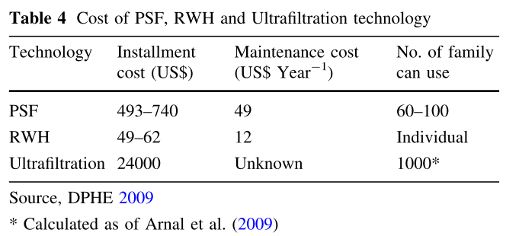
 | A field study on the social aspects of the MAR system | Albas, I. Hagedooren, H.P. Knook, V.G. Pot, H.M.
 | Appendix G: Cost and Water Sources | 2014-01-01
 |  |  | Harun, M.A.Y.A and G.M.M. Kabir (2013), Evaluating pond sand filter as sustainable drinking water supplier in the Southwest coastal region of Bangladesh. Appl Water Sci, 3:161-166. |  |  |  | Blanchet, T (2014), Up-scaling MAR for Providing Community Water Supplies in Saline Areas: Anthropological Study Report. Presented to K. Matin Ahmed. Drishti Research Centre, Dhaka, Bangladesh.

